Sheet1
 |  |  |  |  | DECISION TREE
ROUND 1:

 | record | alternative | bar | Friday | hungry | customers | price | rain | reservation | type | wait | Go
 | x1 | yes | no | no | yes | some | $$$ | no | yes | french | 0-10 | yes
 | x2 | yes | no | no | yes | full | $ | no | no | thai | 30-60 | no
 | x3 | no | yes | no | no | some | $ | no | no | burger | 0-10 | yes
 | x4 | yes | no | yes | yes | full | $ | no | no | thai | 10-30 | yes
 | x5 | yes | no | yes | no | full | $$$ | no | yes | french | >60 | no
 | x6 | no | yes | no | yes | ? | $$ | yes | yes | italian | 0-10 | yes
 | x7 | no | yes | no | no | none | $ | yes | no | burger | 0-10 | no
 | x8 | no | no | no | yes | some | $$ | yes | yes | thai | 0-10 | yes
 | x9 | no | yes | yes | no | full | $ | yes | no | burger | >60 | no
 | x10 | yes | yes | yes | yes | full | $$$ | no | yes | italian | 10-30 | no
 | x11 | no | no | no | no | none | $ | no | no | thai | 0-10 | no
 | x12 | yes | yes | yes | yes | full | $ | no | no | burger | 30-60 | yes

 | BEFORE SPLITTING:

 |  | Go = Yes | 6
 |  | Go = No | 6
 |  | Entropy(t) | 1.000

 | AFTER SPLITTING ON:

 | - alternative

 |  | Total # of Cases | alternative = yes |  |  |  | alternative = no |  |  |  | Weighted | Information
 |  |  | # of Cases | Go = Yes | Go = No | Ent. Child | # of Cases | Go = Yes | Go = No | Ent. Child | Entropy | Gain
 |  | 12 | 6 | 3 | 3 | 1.000 | 6 | 3 | 3 | 1.000 | 1.000 | 0.000

 | - bar

 |  | Total # of Cases | bar = yes |  |  |  | bar = no |  |  |  | Weighted | Information
 |  |  | # of Cases | Go = Yes | Go = No | Ent. Child | # of Cases | Go = Yes | Go = No | Ent. Child | Entropy | Gain
 |  | 12 | 6 | 3 | 3 | 1.000 | 6 | 3 | 3 | 1.000 | 1.000 | 0.000

 | - Friday

 |  | Total # of Cases | Friday = yes |  |  |  | Friday = no |  |  |  | Weighted | Information
 |  |  | # of Cases | Go = Yes | Go = No | Ent. Child | # of Cases | Go = Yes | Go = No | Ent. Child | Entropy | Gain |  |  |  | `
 |  | 12 | 5 | 2 | 3 | 0.971 | 7 | 4 | 3 | 0.985 | 0.979 | 0.021

 | - hungry

 |  | Total # of Cases | hungry = yes |  |  |  | hungry = no |  |  |  | Weighted | Information
 |  |  | # of Cases | Go = Yes | Go = No | Ent. Child | # of Cases | Go = Yes | Go = No | Ent. Child | Entropy | Gain
 |  | 12 | 7 | 5 | 2 | 0.863 | 5 | 1 | 4 | 0.722 | 0.804 | 0.196

 | - customers (highest information gain)

 |  | Total # of Cases | customers = full |  |  |  | customers = some |  |  |  | customers = none |  |  |  | Weighted | Information
 |  |  | # of Cases | Go = Yes | Go = No | Ent. Child | # of Cases | Go = Yes | Go = No | Ent. Child | # of Cases | Go = Yes | Go = No | Ent. Child | Entropy | Gain
 |  | 12 | 6 | 2 | 4 | 0.918 | 3 | 3 | 0 | 0.000 | 2 | 0 | 2 | 0.000 | 0.459 | 0.496

 | - price

 |  | Total # of Cases | price = $$$ |  |  |  | price = $$ |  |  |  | price = $ |  |  |  | Weighted | Information
 |  |  | # of Cases | Go = Yes | Go = No | Ent. Child | # of Cases | Go = Yes | Go = No | Ent. Child | # of Cases | Go = Yes | Go = No | Ent. Child | Entropy | Gain
 |  | 12 | 3 | 1 | 2 | 0.918 | 2 | 2 | 0 | 0.000 | 7 | 3 | 4 | 0.985 | 0.804 | 0.196

 | - rain

 |  | Total # of Cases | rain = yes |  |  |  | rain = no |  |  |  | Weighted | Information
 |  |  | # of Cases | Go = Yes | Go = No | Ent. Child | # of Cases | Go = Yes | Go = No | Ent. Child | Entropy | Gain
 |  | 12 | 4 | 2 | 2 | 1.000 | 8 | 4 | 4 | 1.000 | 1.000 | 0.000

 | - reservation

 |  | Total # of Cases | reservation = yes |  |  |  | reservation = no |  |  |  | Weighted | Information
 |  |  | # of Cases | Go = Yes | Go = No | Ent. Child | # of Cases | Go = Yes | Go = No | Ent. Child | Entropy | Gain
 |  | 12 | 5 | 3 | 2 | 0.971 | 7 | 3 | 4 | 0.985 | 0.979 | 0.021

 | - wait

 |  | Total # of Cases | type = french |  |  |  | type = thai |  |  |  | type = burger |  |  |  | type = italian |  |  |  | Weighted | Information
 |  |  | # of Cases | Go = Yes | Go = No | Ent. Child | # of Cases | Go = Yes | Go = No | Ent. Child | # of Cases | Go = Yes | Go = No | Ent. Child | # of Cases | Go = Yes | Go = No | Ent. Child | Entropy | Gain
 |  | 12 | 2 | 1 | 1 | 1.000 | 4 | 2 | 2 | 1.000 | 4 | 2 | 2 | 1.000 | 2 | 1 | 1 | 1.000 | 1.000 | 0.000

 | - type

 |  | Total # of Cases | wait = 0-10 |  |  |  | wait = 10-30 |  |  |  | wait = 30-60 |  |  |  | wait = >60 |  |  |  | Weighted | Information
 |  |  | # of Cases | Go = Yes | Go = No | Ent. Child | # of Cases | Go = Yes | Go = No | Ent. Child | # of Cases | Go = Yes | Go = No | Ent. Child | # of Cases | Go = Yes | Go = No | Ent. Child | Entropy | Gain
 |  | 12 | 6 | 4 | 2 | 0.918 | 2 | 1 | 1 | 1.000 | 2 | 1 | 1 | 1.000 | 2 | 0 | 2 | 0.000 | 0.792 | 0.208

ROUND 2:

- customers = none

 | record | customers | alternative | bar | Friday | hungry | price | rain | reservation | type | wait | Go
 | x6 | 0.1818 (none) | no | yes | no | yes | $$ | yes | yes | italian | 0-10 | yes
 | x7 | none | no | yes | no | no | $ | yes | no | burger | 0-10 | no
 | x11 | none | no | no | no | no | $ | no | no | thai | 0-10 | no

 | BEFORE SPLITTING:

 |  | Go = Yes | 0.181818
 |  | Go = No | 2
 |  | Entropy(t) | 0.414

 | AFTER SPLITTING ON:

 | - alternative

 |  | Total # of Cases | alternative = yes |  |  |  | alternative = no |  |  |  | Weighted | Information
 |  |  | # of Cases | Go = Yes | Go = No | Ent. Child | # of Cases | Go = Yes | Go = No | Ent. Child | Entropy | Gain
 |  | 2.1818181818 | 0 | 0 | 0 | 0.000 | 2.1818181818 | 0.1818 | 2 | 0.414 | 0.414 | 0.000

 | - bar

 |  | Total # of Cases | bar = yes |  |  |  | bar = no |  |  |  | Weighted | Information
 |  |  | # of Cases | Go = Yes | Go = No | Ent. Child | # of Cases | Go = Yes | Go = No | Ent. Child | Entropy | Gain
 |  | 2.1818181818 | 1.18181818 | 0.1818 | 1 | 0.619 | 1 | 0 | 1 | 0.000 | 0.335 | 0.078

 | - Friday

 |  | Total # of Cases | Friday = yes |  |  |  | Friday = no |  |  |  | Weighted | Information
 |  |  | # of Cases | Go = Yes | Go = No | Ent. Child | # of Cases | Go = Yes | Go = No | Ent. Child | Entropy | Gain
 |  | 2.1818181818 | 0 | 0 | 0 | 0.000 | 2.1818181 | 0.1818 | 2 | 0.414 | 0.414 | 0.000

 | - hungry (highest information gain)

 |  | Total # of Cases | hungry = yes |  |  |  | hungry = no |  |  |  | Weighted | Information
 |  |  | # of Cases | Go = Yes | Go = No | Ent. Child | # of Cases | Go = Yes | Go = No | Ent. Child | Entropy | Gain
 |  | 2.1818181818 | 0.181818 | 0.181818 | 0 | 0.000 | 2 | 0 | 2 | 0.000 | 0.000 | 0.414

 | - price (highest information gain)

 |  | Total # of Cases | price = $$$ |  |  |  | price = $$ |  |  |  | price = $ |  |  |  | Weighted | Information
 |  |  | # of Cases | Go = Yes | Go = No | Ent. Child | # of Cases | Go = Yes | Go = No | Ent. Child | # of Cases | Go = Yes | Go = No | Ent. Child | Entropy | Gain
 |  | 2.1818181818 | 0 | 0 | 0 | 0.000 | 0.181818 | 0.181818 | 0 | 0.000 | 2 | 0 | 2 | 0.000 | 0.000 | 0.414

 | - rain

 |  | Total # of Cases | rain = yes |  |  |  | rain = no |  |  |  | Weighted | Information
 |  |  | # of Cases | Go = Yes | Go = No | Ent. Child | # of Cases | Go = Yes | Go = No | Ent. Child | Entropy | Gain
 |  | 2.1818181818 | 1.181818 | 0.181818 | 1 | 0.619 | 1 | 0 | 1 | 0.000 | 0.335 | 0.078

 | - reservation (highest information gain)

 |  | Total # of Cases | reservation = yes |  |  |  | reservation = no |  |  |  | Weighted | Information
 |  |  | # of Cases | Go = Yes | Go = No | Ent. Child | # of Cases | Go = Yes | Go = No | Ent. Child | Entropy | Gain
 |  | 2.1818181818 | 0.181818 | 0.181818 | 0 | 0.000 | 2 | 0 | 2 | 0.000 | 0.000 | 0.414

 | - type (highest information gain)

 |  | Total # of Cases | type = french |  |  |  | type = thai |  |  |  | type = burger |  |  |  | type = italian |  |  |  | Weighted | Information
 |  |  | # of Cases | Go = Yes | Go = No | Ent. Child | # of Cases | Go = Yes | Go = No | Ent. Child | # of Cases | Go = Yes | Go = No | Ent. Child | # of Cases | Go = Yes | Go = No | Ent. Child | Entropy | Gain
 |  | 2.1818181818 | 0 | 0 | 0 | 0.000 | 1 | 0 | 1 | 0.000 | 1 | 0 | 1 | 0.000 | 0.181818 | 0.181818 | 0 | 0.000 | 0.000 | 0.414

 | - wait

 |  | Total # of Cases | wait = 0-10 |  |  |  | wait = 10-30 |  |  |  | wait = 30-60 |  |  |  | wait = >60 |  |  |  | Weighted | Information
 |  |  | # of Cases | Go = Yes | Go = No | Ent. Child | # of Cases | Go = Yes | Go = No | Ent. Child | # of Cases | Go = Yes | Go = No | Ent. Child | # of Cases | Go = Yes | Go = No | Ent. Child | Entropy | Gain
 |  | 2.1818181818 | 2.181818 | 0.181818 | 2 | 0.414 | 0 | 0 | 0 | 0.000 | 0 | 0 | 0 | 0.000 | 0 | 0 | 0 | 0.000 | 0.414 | 0.000

- customers = some

 | record | customers | alternative | bar | Friday | hungry | price | rain | reservation | type | wait | Go
 | x1 | some | yes | no | no | yes | $$$ | no | yes | french | 0-10 | yes
 | x3 | some | no | yes | no | no | $ | no | no | burger | 0-10 | yes
 | x6 | 0.2727 (some) | no | yes | no | yes | $$ | yes | yes | italian | 0-10 | yes
 | x8 | some | no | no | no | yes | $$ | yes | yes | thai | 0-10 | yes

- customers = full

 | record | customers | alternative | bar | Friday | hungry | price | rain | reservation | type | wait | Go
 | x2 | full | yes | no | no | yes | $ | no | no | thai | 30-60 | no
 | x4 | full | yes | no | yes | yes | $ | no | no | thai | 10-30 | yes
 | x5 | full | yes | no | yes | no | $$$ | no | yes | french | >60 | no
 | x6 | 0.545454 (full) | no | yes | no | yes | $$ | yes | yes | italian | 0-10 | yes
 | x9 | full | no | yes | yes | no | $ | yes | no | burger | >60 | no
 | x10 | full | yes | yes | yes | yes | $$$ | no | yes | italian | 10-30 | no
 | x12 | full | yes | yes | yes | yes | $ | no | no | burger | 30-60 | yes

 | BEFORE SPLITTING:

 |  | Go = Yes | 2.545454
 |  | Go = No | 4
 |  | Entropy(t) | 0.964

 | AFTER SPLITTING ON:

 | - alternative

 |  | Total # of Cases | alternative = yes |  |  |  | alternative = no |  |  |  | Weighted | Information
 |  |  | # of Cases | Go = Yes | Go = No | Ent. Child | # of Cases | Go = Yes | Go = No | Ent. Child | Entropy | Gain
 |  | 6.545454 | 5 | 2 | 3 | 0.971 | 1.545454 | 0.545454 | 1 | 0.937 | 0.963 | 0.001

 | - bar

 |  | Total # of Cases | bar = yes |  |  |  | bar = no |  |  |  | Weighted | Information
 |  |  | # of Cases | Go = Yes | Go = No | Ent. Child | # of Cases | Go = Yes | Go = No | Ent. Child | Entropy | Gain
 |  | 6.545454 | 3.545454 | 1.545454 | 2 | 0.988 | 3 | 1 | 2 | 0.918 | 0.956 | 0.008

 | - Friday

 |  | Total # of Cases | Friday = yes |  |  |  | Friday = no |  |  |  | Weighted | Information
 |  |  | # of Cases | Go = Yes | Go = No | Ent. Child | # of Cases | Go = Yes | Go = No | Ent. Child | Entropy | Gain
 |  | 6.545454 | 5 | 2 | 3 | 0.971 | 1.545454 | 0.545454 | 1 | 0.937 | 0.963 | 0.001

 | - hungry

 |  | Total # of Cases | hungry = yes |  |  |  | hungry = no |  |  |  | Weighted | Information
 |  |  | # of Cases | Go = Yes | Go = No | Ent. Child | # of Cases | Go = Yes | Go = No | Ent. Child | Entropy | Gain
 |  | 6.545454 | 4.545454 | 2.545454 | 2 | 0.990 | 2 | 0 | 2 | 0.000 | 0.687 | 0.277

 | - price (highest information gain)

 |  | Total # of Cases | price = $$$ |  |  |  | price = $$ |  |  |  | price = $ |  |  |  | Weighted | Information
 |  |  | # of Cases | Go = Yes | Go = No | Ent. Child | # of Cases | Go = Yes | Go = No | Ent. Child | # of Cases | Go = Yes | Go = No | Ent. Child | Entropy | Gain
 |  | 6.545454 | 2 | 0 | 2 | 0.000 | 0.545454 | 0.545454 | 0 | 0.000 | 4 | 2 | 2 | 1.000 | 0.611 | 0.353

 | - rain

 |  | Total # of Cases | rain = yes |  |  |  | rain = no |  |  |  | Weighted | Information
 |  |  | # of Cases | Go = Yes | Go = No | Ent. Child | # of Cases | Go = Yes | Go = No | Ent. Child | Entropy | Gain
 |  | 6.545454 | 1.545454 | 0.545454 | 1 | 0.937 | 5 | 2 | 3 | 0.971 | 0.963 | 0.001

 | - reservation

 |  | Total # of Cases | reservation = yes |  |  |  | reservation = no |  |  |  | Weighted | Information
 |  |  | # of Cases | Go = Yes | Go = No | Ent. Child | # of Cases | Go = Yes | Go = No | Ent. Child | Entropy | Gain
 |  | 6.545454 | 4.545454 | 2.545454 | 2 | 0.990 | 2 | 0 | 2 | 0.000 | 0.687 | 0.277

 | - type

 |  | Total # of Cases | type = french |  |  |  | type = thai |  |  |  | type = burger |  |  |  | type = italian |  |  |  | Weighted | Information
 |  |  | # of Cases | Go = Yes | Go = No | Ent. Child | # of Cases | Go = Yes | Go = No | Ent. Child | # of Cases | Go = Yes | Go = No | Ent. Child | # of Cases | Go = Yes | Go = No | Ent. Child | Entropy | Gain
 |  | 6.545454 | 1 | 0 | 1 | 0.000 | 2 | 1 | 1 | 1.000 | 2 | 1 | 1 | 1.000 | 1.545454 | 0.545454 | 1 | 0.937 | 0.832 | 0.132

 | - wait

 |  | Total # of Cases | wait = 0-10 |  |  |  | wait = 10-30 |  |  |  | wait = 30-60 |  |  |  | wait = >60 |  |  |  | Weighted | Information
 |  |  | # of Cases | Go = Yes | Go = No | Ent. Child | # of Cases | Go = Yes | Go = No | Ent. Child | # of Cases | Go = Yes | Go = No | Ent. Child | # of Cases | Go = Yes | Go = No | Ent. Child | Entropy | Gain
 |  | 6.545454 | 0.545454 | 0.545454 | 0 | 0.000 | 2 | 1 | 1 | 1.000 | 2 | 1 | 1 | 1.000 | 2 | 0 | 2 | 0.000 | 0.611 | 0.353

ROUND 3:

- customers = none, reservation = no

 | record | customers | alternative | bar | Friday | hungry | price | rain | reservation | type | wait | Go
 | x7 | none | no | yes | no | no | $ | yes | no | burger | 0-10 | no
 | x11 | none | no | no | no | no | $ | no | no | thai | 0-10 | no

- customers = none, reservation = yes

 | record | customers | alternative | bar | Friday | hungry | price | rain | reservation | type | wait | Go
 | x6 | 0.1818 (none) | no | yes | no | yes | $$ | yes | yes | italian | 0-10 | yes

- customers = full, price = $$$

 | record | customers | alternative | bar | Friday | hungry | price | rain | reservation | type | wait | Go
 | x5 | full | yes | no | yes | no | $$$ | no | yes | french | >60 | no
 | x10 | full | yes | yes | yes | yes | $$$ | no | yes | italian | 10-30 | no

- customers = full, price = $$

 | record | customers | alternative | bar | Friday | hungry | price | rain | reservation | type | wait | Go
 | x6 | 0.545454 (full) | no | yes | no | yes | $$ | yes | yes | italian | 0-10 | yes

- customers = full, price = $

 | record | customers | price | alternative | bar | Friday | hungry | rain | reservation | type | wait | Go
 | x2 | full | $ | yes | no | no | yes | no | no | thai | 30-60 | no
...
- customers = full, price = $, rain = no, Friday = yes

 | record | customers | price | rain | alternative | bar | Friday | hungry | reservation | type | wait | Go
 | x2 | full | $ | no | yes | no | no | yes | no | thai | 30-60 | no

VISUALIZATION OF DECISION TREE |  |  |  |  |  |  |  |  |  |  |  | Notes/Concluding thoughts:

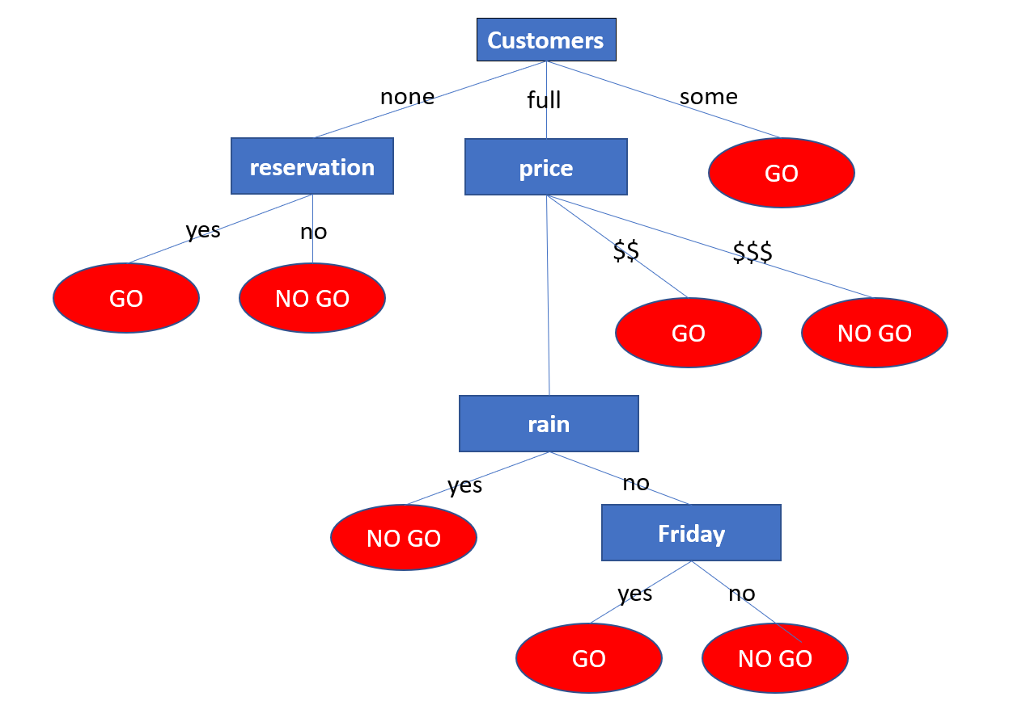
 |  |  |  |  |  |  |  |  |  |  |  | - Feature, Rain, was picked to split on in Round 3 despite having less Information Gain than Feature, wait,
 |  |  |  |  |  |  |  |  |  |  |  | because our training set did not contain data points that fell into all options of wait and
 |  |  |  |  |  |  |  |  |  |  |  | therefore we would not know whether, class is Go or No-Go.

 |  |  |  |  |  |  |  |  |  |  |  | - There is a possibility of overfitting as we have left the tree unpruned.
 |  |  |  |  |  |  |  |  |  |  |  | To avoid this issue, we can prune the decision tree after round 4 and accept a little training error

 |  |  |  |  |  |  |  |  |  |  |  | - It is also true that the training set was very small and therefore we must not expect a perfect model

